Titannic dataset
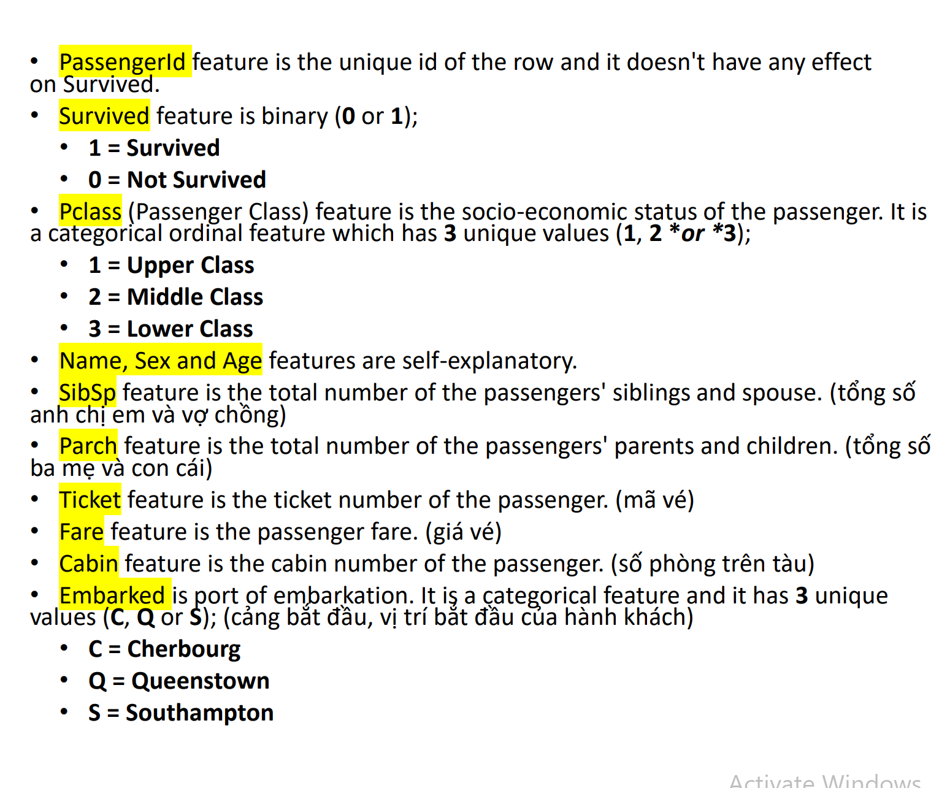

Ratio
Fare
 | Total
0 | 15
4,0125 | 1
5 | 1
6,2375 | 1
6,4375 | 1
6,45 | 1
6,4958 | 2
6,75 | 2
6,8583 | 1
6,95 | 1
6,975 | 2
7,0458 | 1
7,05 | 7
7,0542 | 2
7,125 | 4
7,1417 | 1
7,225 | 12
7,2292 | 15
7,25 | 13
7,3125 | 1
7,4958 | 3
7,5208 | 1
7,55 | 4
7,6292 | 1
7,65 | 4
7,725 | 1
7,7292 | 1
7,7333 | 4
7,7375 | 2
7,7417 | 1
7,75 | 34
7,775 | 16
7,7875 | 1
7,7958 | 6
7,8 | 1
7,8292 | 2
7,8542 | 13
7,875 | 1
7,8792 | 4
7,8875 | 1
7,8958 | 38
7,925 | 18
8,0292 | 1
8,05 | 43
8,1125 | 1
8,1375 | 1
8,1583 | 1
8,3 | 1
8,3625 | 1
8,4042 | 1
...
Fare
7.25 | Row Labels | Count of PassengerId
71.2833 | 0 | 15
7.925 | 4.0125 | 1
53.1 | 5 | 1
8.05 | 6.2375 | 1
8.4583 | 6.4375 | 1
51.8625 | 6.45 | 1
21.075 | 6.4958 | 2
11.1333 | 6.75 | 2
30.0708 | 6.8583 | 1
16.7 | 6.95 | 1
26.55 | 6.975 | 2
8.05 | 7.0458 | 1
31.275 | 7.05 | 7
7.8542 | 7.0542 | 2
16 | 7.125 | 4
29.125 | 7.1417 | 1
13 | 7.225 | 12
18 | 7.2292 | 15
7.225 | 7.25 | 13
26 | 7.3125 | 1
13 | 7.4958 | 3
8.0292 | 7.5208 | 1
35.5 | 7.55 | 4
21.075 | 7.6292 | 1
31.3875 | 7.65 | 4
7.225 | 7.725 | 1
263 | 7.7292 | 1
7.8792 | 7.7333 | 4
7.8958 | 7.7375 | 2
...

Ratio discrete + ordinal
parch

Row Labels | Count of PassengerId
0 | 76.09%
1 | 13.24%
2 | 8.98%
3 | 0.56%
4 | 0.45%
5 | 0.56%
6 | 0.11%
Grand Total | 100.00%

Nhận xét
Nhóm độc thân nhiều nhất chiếm 76%
Nhóm đi kèm 1,2 người thân chiếm 22%
Các nhóm còn lại rất ít, hầu như không có

Người đi cùng ba mẹ và con cái > người đi cùng a/ce và vợ chồng

survice

Survive

Row Labels | Count of PassengerId
0 | 549
1 | 342
Grand Total | 891

Row Labels | Count of PassengerId
0 | 61.62%
1 | 38.38%
Grand Total | 100.00%

sissb

SibSp
sissb
Row Labels | Count of PassengerId
0 | 608
1 | 209
2 | 28
3 | 16
4 | 18
5 | 5
8 | 7
Grand Total | 891

Row Labels | Count of PassengerId
0 | 68.24%
1 | 23.46%
2 | 3.14%
3 | 1.80%
4 | 2.02%
5 | 0.56%
8 | 0.79%
Grand Total | 100.00%

Family size
Family size
family size
Row Labels | Count of PassengerId
0 | 537
1 | 161
2 | 102
3 | 29
4 | 15
5 | 22
6 | 12
7 | 6
10 | 7
Grand Total | 891

Row Labels | Count of PassengerId
0 | 60.27%
1 | 18.07%
2 | 11.45%
3 | 3.25%
4 | 1.68%
5 | 2.47%
6 | 1.35%
7 | 0.67%
10 | 0.79%
Grand Total | 100.00%

Pclass

Pclass
Pclass
Row Labels | Count of PassengerId
1 | 24.24%
2 | 20.65%
3 | 55.11%
Grand Total | 100.00%

Nhận xét:
Tầng lớp lower class chiếm nhiều nhất 55%. Cho thấy chuyến đi này dành cho nhiều tầng lớp. Phân nhiều khu vực cho các tầng lớp khác nhau

Norminal
...
Row Labels | Count of PassengerId
C | 18.97%
Q | 8.64%
S | 72.39%
Grand Total | 100.00%

Name
Row Labels | Count of PassengerId
A | 5.72%
B | 8.08%
C | 7.74%
D | 4.83%
E | 1.35%
F | 3.48%
G | 4.60%
H | 7.74%
I | 0.67%
J | 3.37%
K | 3.14%
L | 5.39%
M | 8.31%
N | 3.25%
O | 2.58%
P | 5.27%
Q | 0.22%
R | 4.60%
S | 9.65%
T | 3.37%
U | 0.11%
V | 1.68%
W | 3.70%
Y | 0.79%
Z | 0.34%
Grand Total | 100.00%

Title
Row Labels | Count of PassengerId
Dr | 0.79% | doctor
Master | 4.49% | bé sơ sinh
Miss | 20.76% | phụ nữ còn độc thân
Mr | 58.92% | đàn ông
Mrs | 14.37% | phụ nữ đã kết hôn
Rev | 0.67% | người theo đạo thiên chúa
Grand Total | 100.00%

ratio vs norminal
...
 | 0 | 1
18 lower | 5.51% | 6.97%
18-30 | 18.91% | 11.12%
30-45 | 27.50% | 13.03%
45 higher | 9.83% | 7.13%
...
 |  |  | Grand Total
 |  |  | 12.49%
 |  |  | 30.03%
 |  |  | 40.53%
 |  |  | 16.96%
 |  |  | 100.00%

Nhận xét
Độ tuổi 18-45 chết nhiều nhất và tỷ lệ chết cao hơn hẳn so vs sống. Cho thấy đây là độ tuổi sẵn sàng hi sinh nhiều nhất _ Độ tuổi nhỏ hơn 18 và từ 45 đổ lên thì tỷ lệ sống cao hơn chết -> cho thấy đối tượng người già và trẻ nhỏ dc ưu tiên cứu sống nhiều hơn v

Số lượng sống chết nam nữ của các tầng lớp

Count of PassengerId | Column Labels |  |  |  | Count of PassengerId | Column Labels
Row Labels | 0 | 1 | Grand Total |  | Row Labels | 0 | 1 | Grand Total
1 | 8.98% | 15.26% | 24.24% |  | female | 9.09% | 26.15% | 35.24%
female | 0.34% | 10.21% | 10.55% |  | male | 52.53% | 12.23% | 64.76%
male | 8.64% | 5.05% | 13.69% |  | Grand Total | 61.62% | 38.38% | 100.00%
2 | 10.89% | 9.76% | 20.65%
female | 0.67% | 7.86% | 8.53%
male | 10.21% | 1.91% | 12.12% |  | Nam chết nhiều hơn nữ
3 | 41.75% | 13.36% | 55.11%
female | 8.08% | 8.08% | 16.16%
male | 33.67% | 5.27% | 38.95%
Grand Total | 61.62% | 38.38% | 100.00%

Nhận xét
_ Tầng lớp 3 là phổ biến trong chuyến tàu, chiếm 55% tổng số người toàn tàu _ Nam chết nhiều hơn nữ ở tất cả các tầng lớp. Và ở tầng lớp 3, nam chết cao hơn hẳn các tầng lớp còn lại _ Nữ ở tầng lớp 1,2 sống rất cao và gần như chết rất ít => vị trí ở của những người khoang 1,2 thuận tiện, có thể gần trên boung tàu hơn nên tỷ lệ sống mới cao như vậy

Số lượng sống chết nam nữ kèm người thân
 | 0 | 1
Big family | 6.36% | 3.52%
Normal family | 11.16% | 17.08%
Single | 44.24% | 17.65%
Sum of PassengerId | Column Labels
 |  | 1 | Grand Total
 |  | 3.52% | 9.87%
 |  | 17.08% | 28.23%
 |  | 17.65% | 61.89%
 |  | 38.24% | 100.00%
...
Số lượng sống chết ở các khoan và theo tầng lớp nào

Count of PassengerId | Column Labels
Row Labels | 0 | 1 | Grand Total |  |  |  |  |  | Nhóm các khoang theo P classs
1 | 28.92% | 57.35% | 86.27%
A | 4% | 3% | 7% |  |  |  |  |  | vẽ dạng stack column
B | 6% | 17% | 23%
C | 12% | 17% | 29%
D | 3% | 11% | 14%
E | 3% | 9% | 12%
T | 0% | 0% | 0%
2 | 1% | 6% | 8%
D | 0% | 1% | 2%
E | 0% | 1% | 2%
F | 0% | 3% | 4%
3 | 3% | 3% | 6%
E | 0% | 1% | 1%
F | 2% | 0% | 2%
G | 1% | 1% | 2%
Grand Total | 33.33% | 66.67% | 100.00%

Nhận xét
Khoang B,C,D,E có tỷ lệ sống cao hơn chết . Đặc biệt khoang B,D,E có tỷ lệ sống cao gấp đôi tỷ lệ chết

 | Series1 | Series2 | Series3 | Series4 | Series5 | Series6
A 0-10 | 0.0011223344557 | 0 | 0 | 0 | 0 | 0
A 20-30 | 0.0011223344557 | 0 | 0 | 0 | 0 | 0
A 30-40 | 0.0022446689113 | 0 | 0 | 0.0056116722783 | 0 | 0
A 40-50 | 0.0011223344557 | 0 | 0 | 0 | 0 | 0
A 50-60 | 0.003367003367 | 0 | 0 | 0.0011223344557 | 0 | 0
A 80-90 | 0 | 0 | 0 | 0.0011223344557 | 0 | 0
B 0-10 | 0.003367003367 | 0 | 0 | 0 | 0 | 0
B 20-30 | 0.0022446689113 | 0 | 0 | 0.0011223344557 | 0 | 0
B 30-40 | 0.0011223344557 | 0 | 0 | 0.0022446689113 | 0 | 0
B 40-50 | 0 | 0 | 0 | 0.0011223344557 | 0 | 0
B 50-60 | 0.0011223344557 | 0 | 0 | 0.0044893378227 | 0 | 0
B 60-70 | 0.0011223344557 | 0 | 0 | 0.0022446689113 | 0 | 0
B 70-80 | 0.003367003367 | 0 | 0 | 0.0022446689113 | 0 | 0
B 80-90 | 0 | 0 | 0 | 0.0056116722783 | 0 | 0
B 90-100 | 0 | 0 | 0 | 0.0044893378227 | 0 | 0
B 120-130 | 0 | 0 | 0 | 0.0044893378227 | 0 | 0
B 140-150 | 0 | 0 | 0 | 0.0022446689113 | 0 | 0
B 210-220 | 0 | 0 | 0 | 0.003367003367 | 0 | 0
B 240-250 | 0.0011223344557 | 0 | 0 | 0.0011223344557 | 0 | 0
B 260-270 | 0 | 0 | 0 | 0.0022446689113 | 0 | 0
B 510-520 | 0 | 0 | 0 | 0.0022446689113 | 0 | 0
C 20-30 | 0.006734006734 | 0 | 0 | 0.003367003367 | 0 | 0
C 30-40 | 0.0022446689113 | 0 | 0 | 0.0044893378227 | 0 | 0
C 40-50 | 0 | 0 | 0 | 0.0011223344557 | 0 | 0
C 50-60 | 0.0022446689113 | 0 | 0 | 0.0044893378227 | 0 | 0
C 60-70 | 0.0011223344557 | 0 | 0 | 0.0011223344557 | 0 | 0
C 70-80 | 0.0011223344557 | 0 | 0 | 0.0011223344557 | 0 | 0
C 80-90 | 0.0011223344557 | 0 | 0 | 0.0056116722783 | 0 | 0
C 90-100 | 0.0011223344557 | 0 | 0 | 0.003367003367 | 0 | 0
C 100-110 | 0.0022446689113 | 0 | 0 | 0.0011223344557 | 0 | 0
C 110-120 | 0.0011223344557 | 0 | 0 | 0.0022446689113 | 0 | 0
C 130-140 | 0 | 0 | 0 | 0.0022446689113 | 0 | 0
C 150-160 | 0.003367003367 | 0 | 0 | 0.003367003367 | 0 | 0
C 160-170 | 0 | 0 | 0 | 0.0011223344557 | 0 | 0
C 210-220 | 0.0011223344557 | 0 | 0 | 0 | 0 | 0
C 220-230 | 0.0011223344557 | 0 | 0 | 0.0022446689113 | 0 | 0
C 260-270 | 0.0022446689113 | 0 | 0 | 0.0022446689113 | 0 | 0
D 10-20 | 0 | 0.0011223344557 | 0 | 0 | 0.003367003367 | 0
D 20-30 | 0 | 0 | 0 | 0.003367003367 | 0 | 0
D 30-40 | 0.003367003367 | 0 | 0 | 0.0022446689113 | 0 | 0
D 50-60 | 0.0011223344557 | 0 | 0 | 0.0044893378227 | 0 | 0
D 60-70 | 0 | 0 | 0 | 0.0011223344557 | 0 | 0
D 70-80 | 0.0022446689113 | 0 | 0 | 0.011223344557 | 0 | 0
D 110-120 | 0.0011223344557 | 0 | 0 | 0.0022446689113 | 0 | 0
E 0-10 | 0 | 0 | 0 | 0 | 0 | 0.0011223344557
E 10-20 | 0 | 0.0011223344557 | 0 | 0 | 0.003367003367 | 0.0022446689113
E 20-30 | 0.0022446689113 | 0 | 0 | 0.006734006734 | 0 | 0
E 30-40 | 0.0011223344557 | 0 | 0 | 0 | 0 | 0
E 50-60 | 0.0022446689113 | 0 | 0 | 0.0078563411897 | 0 | 0
E 60-70 | 0.0011223344557 | 0 | 0 | 0 | 0 | 0
...
Mức vé của các tầng lớp 1,2,3

 | 1 | 2 | 3
0 | 1% | 1% | 0%
0-10 | 0% | 0% | 36%
10-25 | 0% | 12% | 12%
25-75 | 13% | 8% | 6%
75 higher | 11% | 0% | 0%
...
 |  |  | 3 | Grand Total
 |  |  | 0% | 2%
 |  |  | 36% | 36%
 |  |  | 12% | 25%
 |  |  | 6% | 27%
 |  |  | 0% | 11%
 |  |  | 55% | 100%
...

